Sheet1
ID | SMILES | original name | Molecular Weight | Mol
D001 | O=C(C1=CC=CC=C1)C(CNS(C2=C(F)C(F)=C(F)C(F)=C2F)(=O)=O)C3=CC(C(F)(F)F)=CC=C3 | 39b | 523.4 | 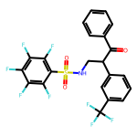
D002 | O=C(C1=CC=CC=C1)C(CNS(C2=CC=C(C)C=C2)(=O)=O)C3=CC(C(F)(F)F)=CC=C3 | 40b | 447.48 | 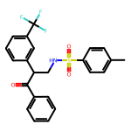
D003 | O=C(C1=CC=C(C)C=C1)C(CNS(C2=CC=C(C)C=C2)(=O)=O)C3=CC=C(C)C=C3 | 3 | 407.54 | 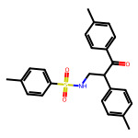
D004 | O=C(C1=CC=C(C)C=C1)C(CNS(C2=CC=C(OC)C=C2)(=O)=O)C3=CC=C(C)C=C3 | 4 | 423.53 | 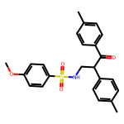
D005 | O=C(C1=CC=C(C)C=C1)C(CNS(C2=CC=C(F)C=C2)(=O)=O)C3=CC=C(C)C=C3 | 5 | 411.5 | 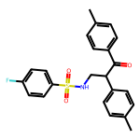
D006 | O=C(C1=CC=C(C)C=C1)C(CNS(C2=CC=C(Cl)C=C2)(=O)=O)C3=CC=C(C)C=C3 | 6 | 427.95 | 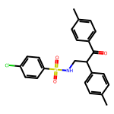
D007 | O=C(C1=CC=C(C)C=C1)C(CNS(C2=CC=C(Br)C=C2)(=O)=O)C3=CC=C(C)C=C3 | 7 | 472.4 | 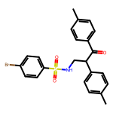
D008 | O=C(C1=CC=C(C)C=C1)C(CNS(C2=CC=CC(Br)=C2)(=O)=O)C3=CC=C(C)C=C3 | 8 | 472.4 | 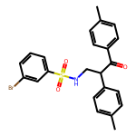
D009 | O=C(C1=CC=C(C)C=C1)C(CNS(C2=CC=CC=C2Br)(=O)=O)C3=CC=C(C)C=C3 | 9 | 472.4 | 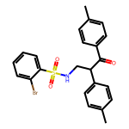
D010 | O=C(C1=CC=C(C)C=C1)C(CNS(C2=CC=C(C(F)(F)F)C=C2)(=O)=O)C3=CC=C(C)C=C3 | 10 | 461.51 | 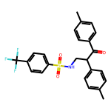
D011 | O=C(C1=CC=C(C)C=C1)C(CNS(C2=CC=C(C#N)C=C2)(=O)=O)C3=CC=C(C)C=C3 | 11 | 418.52 | 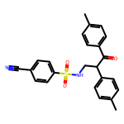
D012 | O=C(C1=CC=C(C)C=C1)C(CNS(C2=C(F)C(F)=C(F)C(F)=C2F)(=O)=O)C3=CC=C(C)C=C3 | 12 | 483.46 | 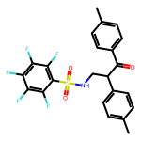
D013 | O=C(C1=CC=C(C)C=C1)C(CNS(C2=CC=CS2)(=O)=O)C3=CC=C(C)C=C3 | 13 | 399.54 | 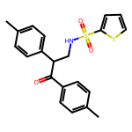
D014 | O=C(C1=CC=C(C)C=C1)C(CNS(C2=CC=C(C)C=N2)(=O)=O)C3=CC=C(C)C=C3 | 14 | 408.52 | 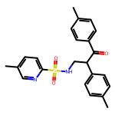
D015 | O=C(C1=CC=C(C)C=C1)C(CNS(C2=CN=CC=C2Cl)(=O)=O)C3=CC=C(C)C=C3 | 15 | 428.94 | 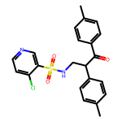
D016 | O=C(C1=CC=C(C)C=C1)C(CNS(CC2=CC=CC=C2)(=O)=O)C3=CC=C(C)C=C3 | 16 | 407.54 | 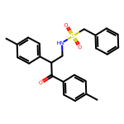
D017 | O=C(C1=CC=C(C)C=C1)C(CNS(OCC(Cl)(Cl)Cl)(=O)=O)C2=CC=C(C)C=C2 | 17 | 464.8 | 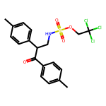
D018 | O=C(C1=CC=C(C)C=C1)C(CNS(OC[C@@]34OC[C@@H]2[C@@H](OC(C)(C)O2)[C@@H]3OC(C)(C)O4)(=O)=O)C5=CC=C(C)C=C5 | 18 | 575.68 | 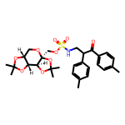
D019 | O=C(C1=CC=C(C)C=C1)C(CNS(C4=CC=C(C2=C(C)ON=C2C3=CC=CC=C3)C=C4)(=O)=O)C5=CC=C(C)C=C5 | 19 | 550.68 | 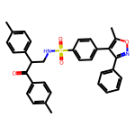
D020 | O=C(C1=CC=C(C)C=C1)C(CNS(C4=CC=C(N2N=C(C(F)(F)F)C=C2C3=CC=C(C)C=C3)C=C4)(=O)=O)C5=CC=C(C)C=C5 | 20 | 617.69 | 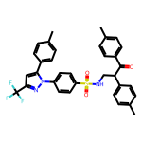
D021 | O=C(C1=CC=CC=C1)C(CNS(C2=CC=C(C)C=C2)(=O)=O)C3=CC=CC=C3 | 21 | 379.48 | 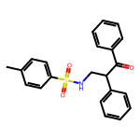
D022 | O=C(C1=CC=C(F)C=C1)C(CNS(C2=CC=C(C)C=C2)(=O)=O)C3=CC=C(F)C=C3 | 22 | 415.46 | 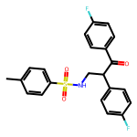
D023 | O=C(C1=CC=C(Cl)C=C1)C(CNS(C2=CC=C(C)C=C2)(=O)=O)C3=CC=C(Cl)C=C3 | 23 | 448.37 | 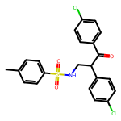
D024 | O=C(C1=CC=C(Br)C=C1)C(CNS(C2=CC=C(C)C=C2)(=O)=O)C3=CC=C(Br)C=C3 | 24 | 537.27 | 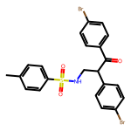
D025 | O=C(C1=CC=CC(C)=C1)C(CNS(C2=CC=C(C)C=C2)(=O)=O)C3=CC=CC(C)=C3 | 25 | 407.54 | 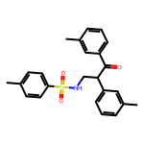
D026 | O=C(C1=C(C)C=CC=C1)C(CNS(C2=CC=C(C)C=C2)(=O)=O)C3=CC=CC=C3C | 26 | 407.54 | 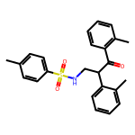
D027 | O=C(C1=CC(C(F)(F)F)=CC=C1)C(CNS(C2=CC=C(C)C=C2)(=O)=O)C3=CC(C(F)(F)F)=CC=C3 | 27 | 515.48 | 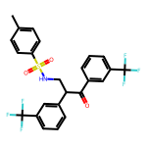
D028 | O=C(C1=CC=C(Br)C=C1)C(CNS(C4=CC=C(C2=C(C)ON=C2C3=CC=CC=C3)C=C4)(=O)=O)C5=CC=C(Br)C=C5 | 28 | 680.42 | 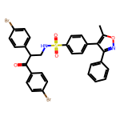
D029 | O=C(C1=CC=C(Br)C=C1)C(CNS(C4=CC=C(N2N=C(C(F)(F)F)C=C2C3=CC=C(C)C=C3)C=C4)(=O)=O)C5=CC=C(Br)C=C5 | 29 | 747.43 | 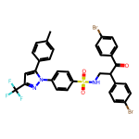
D030 | O=C(C1=CC=C(C)C=C1)C(C2=CC=C(C)C=C2)(C)CNS(C3=CC=C(C)C=C3)(=O)=O | 30 | 421.56 | 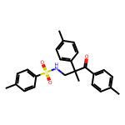
D031 | O=C(C1=CC=C(C)C=C1)C(C2=CC=C(C)C=C2)(C)CNS(C5=CC=C(C3=C(C)ON=C3C4=CC=CC=C4)C=C5)(=O)=O | 31 | 564.71 | 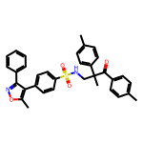
D032 | O=C(C1=CC=C(C)C=C1)C(C2=CC=C(C)C=C2)(C)CNS(C5=CC=C(N3N=C(C(F)(F)F)C=C3C4=CC=C(C)C=C4)C=C5)(=O)=O | 32 | 631.72 | 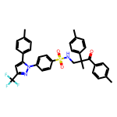
D033 | O=C(C1=CC=CC=C1)C(CNS(C2=C(F)C(F)=C(F)C(F)=C2F)(=O)=O)C3=CC=C(C(F)(F)F)C=C3 | 33 | 523.4 | 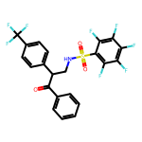
D034 | O=C(C1=CC=CC=C1)C(CNS(C2=CC=C(C)C=C2)(=O)=O)C3=CC=C(C(F)(F)F)C=C3 | 34 | 447.48 | 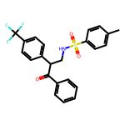
D035 | O=C(C1=C(C(F)(F)F)C=CC=C1)C(CNS(C2=C(F)C(F)=C(F)C(F)=C2F)(=O)=O)C3=CC=CC=C3 | 35 | 523.4 | 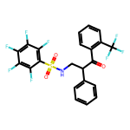
D036 | O=C(C1=C(C(F)(F)F)C=CC=C1)C(CNS(C2=CC=C(C)C=C2)(=O)=O)C3=CC=CC=C3 | 36 | 447.48 | 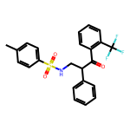
D037 | O=C(C1=C(OC)C=CC=C1)C(CNS(=O)(C2=C(F)C(F)=C(F)C(F)=C2F)=O)C3=CC=CC=C3 | 37 | 485.43 | 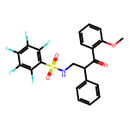
D038 | O=C(C1=C(OC)C=CC=C1)C(CNS(C2=CC=C(C)C=C2)(=O)=O)C3=CC=CC=C3 | 38 | 409.51 | 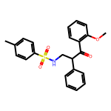
D039 | O=C(C1=CC(C(F)(F)F)=CC=C1)C(CNS(=O)(C2=C(F)C(F)=C(F)C(F)=C2F)=O)C3=CC=CC=C3 | 39a | 523.4 | 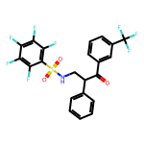
D040 | O=C(C1=CC(C(F)(F)F)=CC=C1)C(CNS(C2=CC=C(C)C=C2)(=O)=O)C3=CC=CC=C3 | 40a | 447.48 | 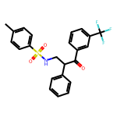
D041 | O=C(C1=CC(F)=CC(F)=C1)C(CNS(=O)(C2=C(F)C(F)=C(F)C(F)=C2F)=O)C3=CC=CC=C3 | 41a | 491.38 | 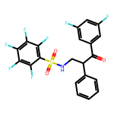
D042 | O=C(C1=CC(F)=CC(F)=C1)C(CNS(C2=CC=C(C)C=C2)(=O)=O)C3=CC=CC=C3 | 42a | 415.46 | 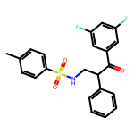
D043 | O=C(CCC)C(C1=CC=CC=C1)(C)CNS(C2=CC=C(C)C=C2)(=O)=O | 43 | 359.49 | 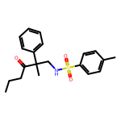
D044 | O=C(C(C)C)C(C1=CC=CC=C1)(C)CNS(C2=CC=C(C)C=C2)(=O)=O | 44 | 359.49 | 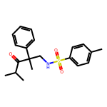
D045 | O=C(C1CCCC1)C(C2=CC=CC=C2)(C)CNS(C3=CC=C(C)C=C3)(=O)=O | 45 | 385.53 | 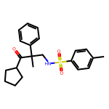
D046 | O=C(C1CCCCC1)C(C2=CC=CC=C2)(C)CNS(C3=CC=C(C)C=C3)(=O)=O | 46 | 399.56 | 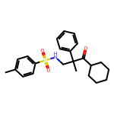
D047 | O=C(C1=CC=CC=C1)C(CNS(C2=C(F)C(F)=C(F)C(F)=C2F)(=O)=O)C3=CC(F)=CC(F)=C3 | 41b | 491.38 | 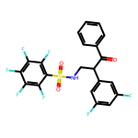
D048 | O=C(C1=CC=CC=C1)CCC(C3=CC2=C(C=CC=C2)O3)CNS(C4=CC=C(C)C=C4)(=O)=O | 48 | 447.56 | 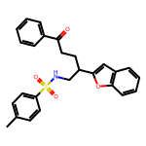
D049 | O=C(C1=CC=C(C)C=C1)CCC(C3=CC2=C(C=CC=C2)O3)CNS(C4=CC=C(C)C=C4)(=O)=O | 49 | 461.58 | 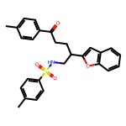
D050 | O=C(C1=CC(C)=CC=C1)CCC(C3=CC2=C(C=CC=C2)O3)CNS(C4=CC=C(C)C=C4)(=O)=O | 50 | 461.58 | 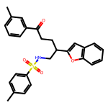
D051 | O=C(C1=C(C)C=CC=C1)CCC(C3=CC2=C(C=CC=C2)O3)CNS(C4=CC=C(C)C=C4)(=O)=O | 51 | 461.58 | 
D052 | O=C(C1=CC=CC=C1)CCC(C3=CC2=C(C=CC=C2)O3)CNS(C4=CC=C(F)C=C4)(=O)=O | 52 | 451.52 | 
D053 | O=C(C1=CC=CC=C1)CCC(C3=CC2=C(C=CC=C2)O3)CNS(C4=CC=C(Cl)C=C4)(=O)=O | 53 | 467.97 | 
D054 | O=C(C1=CC=CC=C1)CCC(C3=CC2=C(C=CC=C2)O3)CNS(C4=CC=C(Br)C=C4)(=O)=O | 54 | 512.43 | 
D055 | O=C(C1=CC=CC=C1)CCC(C3=CC2=C(C=CC=C2)O3)CNS(C5=CC=C4C=CC=CC4=C5)(=O)=O | 55 | 483.59 | 
D056 | O=C(C1=CC=CC=C1)CCC(C3=CC2=C(C=CC=C2)O3)CNS(C4=CN=CC=C4Cl)(=O)=O | 56 | 468.96 | 
D057 | O=C(C1=CC=CC=C1)CCC(C3=CC2=C(C=CC=C2)O3)CNS(OCC(Cl)(Cl)Cl)(=O)=O | 57 | 504.82 | 
D058 | O=C(C1=CC=CC=C1)CCC(C3=CC2=C(C=CC=C2)O3)CNS(OC[C@@]56OC[C@H]4OC(C)(C)O[C@H]4[C@@H]5OC(C)(C)O6)(=O)=O | 58 | 615.7 | 
D059 | O=C(C1=CC=CC=C1)CCC(C3=CC2=C(C=CC=C2)O3)CNS(C6=CC=C(C4=C(C)ON=C4C5=CC=CC=C5)C=C6)(=O)=O | 59 | 590.7 | 
D060 | O=C(C1=CC=CC=C1)CCC(C3=CC2=C(C=CC=C2)O3)CNS(C6=CC=C(N4N=C(C(F)(F)F)C=C4C5=CC=C(C)C=C5)C=C6)(=O)=O | 60 | 657.71 | 
D061 | O=C(C1=CC=CC=C1)CCC(C2=NC=CS2)CNS(C3=CC=C(C)C=C3)(=O)=O | 61 | 414.55 | 
D062 | O=C(C1=CC=CC=C1)CCC(C3=NC2=C(C=CC=C2)S3)CNS(C4=CC=C(C)C=C4)(=O)=O | 62 | 464.61 | 
D063 | O=C(C1=CC=CC=C1)CCC(C3=NC2=C(C=CC=C2)C=C3)CNS(C4=CC=C(C)C=C4)(=O)=O | 63 | 458.58 | 
D064 | O=C(C1=CC=CC=C1)CCC(C#CC2=CC=CC=C2)CNS(C3=CC=C(C)C=C3)(=O)=O | 64 | 431.56 | 
D065 | O=C(C1=CC=CC=C1)CCC(/C=C/C2=CC=CC=C2)CNS(C3=CC=C(C)C=C3)(=O)=O | 65 | 433.57 | 
D066 | O=C(C1=CC=CC=C1)CCC(C#N)CNS(C2=CC=C(C)C=C2)(=O)=O | 66 | 356.45 | 
D067 | O=C(C1=CC=CC=C1)C(CC(C3=CC2=C(C=CC=C2)O3)CNS(C4=CC=C(C)C=C4)(=O)=O)=N#N | 75 | 473.55 | 
D068 | O=C(C1=CC=CC=C1)C5N(S(=O)(C2=CC=C(C)C=C2)=O)CC(C4=CC3=C(C=CC=C3)O4)C5 | 76 | 445.54 | 
D069 | O=C(C1=CC=C(C)C=C1)C(C2=CC=C(C)C=C2)CN(C)S(C3=CC=C(C)C=C3)(=O)=O | 77 | 421.56 | 
D070 | O=C(C1=CC=C(C)C=C1)C(C2=CC=C(C)C=C2)(C)CN(C)S(C3=CC=C(C)C=C3)(=O)=O | 78 | 435.59 | 
D071 | O[C@H](C1=CC=C(C)C=C1)[C@@H](CNS(C2=CC=C(C)C=C2)(=O)=O)C3=CC=C(C)C=C3 | 71 | 409.55 | 
D072 | OC(C1=CC=CC=C1)CCC(C3=CC2=C(C=CC=C2)O3)CNS(C4=CC=C(C)C=C4)(=O)=O | 72 | 449.57 | 
D073 | O=S(N4C(C1=CC=CC=C1)CCC(C3=CC2=C(C=CC=C2)O3)C4)(C5=CC=C(C)C=C5)=O | 73 | 431.56 | 
D074 | O=C(C1=CC=CC=C1)C(CNS(C2=CC=C(C)C=C2)(=O)=O)C3=CC(F)=CC(F)=C3 | 42b | 415.46 | 
D075 | C5C1=CC(Cl)=CC=C1/C(=C\2CCN(C(OCC)=O)CC2)C4=NC=C(S(C3=CC=CC=C3)(=O)=O)C=C4C5 | QS-313 | 523.05 | 
D076 | O=C(NC3=CC=C(Cl)C(C2=CC=C(S(C1=CC=CC=C1)(=O)=O)C=N2)=C3)C4=CC=C(S(=O)(C)=O)C=C4Cl | QS-515 | 561.47 | 
D077 | O=C(NC3=CC=C(Cl)C(C2=CC=C(S(C1=CC=C(Cl)C=C1)(=O)=O)C=N2)=C3)C4=CC=C(S(=O)(C)=O)C=C4Cl | MJ-5 | 595.91 | 
D078 | O=C(NC3=CC=C(Cl)C(C2=CC=C(S(C1=C(Cl)C=CC=C1)(=O)=O)C=N2)=C3)C4=CC=C(S(=O)(C)=O)C=C4Cl | MJ-6 | 595.91 | 
D079 | O=C(NC3=CC=C(Cl)C(C2=CC=C(S(C1=CN(C)N=C1)(=O)=O)C=N2)=C3)C4=CC=C(S(=O)(C)=O)C=C4Cl | MJ-8 | 565.46 | 
D080 | O=C(NC3=CC=C(Cl)C(C2=CC=C(S(C1=CC=CN=C1)(=O)=O)C=N2)=C3)C4=CC=C(S(=O)(C)=O)C=C4Cl | MJ-9 | 562.46 | 
D081 | O=C(NC3=CC=C(Cl)C(C2=CC=C(S(C1=CC=C(C(F)(F)F)C=C1)(=O)=O)C=N2)=C3)C4=CC=C(S(=O)(C)=O)C=C4Cl | ZR-2002 | 629.47 | 
D101 | O=C(NC3=CC=C(Cl)C(C2=CC=C(S(C1=CC=C(OC(F)(F)F)C=C1)(=O)=O)C=N2)=C3)C4=CC=C(S(=O)(C)=O)C=C4Cl | ZR-2003 | 645.46 | 
D102 | O=C(NC3=CC=C(Cl)C(C2=CC=C(S(C1=CC(Cl)=CC=C1)(=O)=O)C=N2)=C3)C4=CC=C(S(=O)(C)=O)C=C4Cl | ZR-2016 | 595.91 | 
D103 | O=C(NC3=CC=C(Cl)C(C2=CC=C(S(C1=C(F)C(F)=C(F)C(F)=C1F)(=O)=O)C=N2)=C3)C4=CC=C(S(=O)(C)=O)C=C4Cl | ZR-31 | 651.42 | 

